1. Title Page
[Grocery Basket Anaysis]

Project Name: Project Brief: Instacart Grocery Basket Analysis
Date: 11/02/2023
Analyst Name: Nathan Evans

Contents:
Population Flow
Consistency checks
Wrangling steps
Column derivations
Visualizations
Recommendations

2. Population Flow
Title page

Population flow

Orders_products_combined
Orders_products_merged
Orders_products_all

Total: 32404161
Total: 32434489
Total: 30959687

1.) The grey boxes in the first row of the population flow represent the original data sets as they were when you downloaded them. In the Total fields you need to add the count of the rows when you imported the data set into Jupyter.
2.) The second row of boxes (coloured) represents the data sets after you manipulated them, e.g., removed missing values and duplicates. In the Total fields you need to add the count of the rows after conducting these operations. This offers a visual oveview of how the data flows throughout the data consistency checks.
3.) The third row, where also the arrows are coloured, represents the merges you performed between the datasets. In the Total fields you need to add the count of the rows in the merged datasets, so that you end up with the final dataset (in the red box). Keep in mind the final dataset should be without exclusions (based on the exclusion flag).

3. Consistency checks
 |  |  |  | Title page
Consistency checks

Dataset | Missing values | Missing values treatment | Duplicates
orders | days_since_prior_order has 206209 nan values | left alone as these are potentially 1st time customers who only have a single order | No duplicates found
products | 16 missing values | Deleted missing value rows | 5 duplicates found and dropped
orders_products_prior | No missing values | No action required | No duplicates found
customers | 11259 missing first_names | … replaced with 'Unknown' | No duplicates found
ords_prods_customers_merge | 4429 null prices | removed from data set (less than 0.01%) | No duplicates found
ords_prods_customers_merge | 5 null frequency_flag | removed from data set (less than 0.01%) | No duplicates found

4. Wrangling steps
 |  |  |  | Title page
Wrangling steps

Columns dropped | Columns renamed | Columns' type changed | Comment/Reason
eval_set |  |  | not required for our analysis
 | order_dow = orders_day_of_week |  | renamed for clarity & consistency
 |  | order_id / user_id | changed to string data type so that df.describe ignores this variable as it would not make sense

_merge |  |  | left over column if/when merging dataframes, not required
first_name |  |  | eventually this column dropped due to security implications outlined by PII
surname |  |  | eventually this column dropped due to security implications outlined by PII
 | STATE = state |  | renamed for clarity & consistency
 | Gender = gender |  | renamed for clarity & consistency
 | Surnam = surname |  | renamed for clarity & consistency
 | Age = age |  | renamed for clarity & consistency
 | fam_status = family_status |  | renamed for clarity & consistency
 | n_dependents = number_of_dependents |  | renamed for clarity & consistency
Unnamed: 0 |  |  | not required for our analysis

5. Column derivations
 |  |  |  | Title page

Column derivations and aggregations

Dataset | New column | Column/s it was derived from | Conditions
orders_products_merged.pkl | price_range_loc | prices | df.loc[df['prices'] > 15, 'price_range_loc'] = 'High-range product' df.loc[(df['prices'] <= 15) & (df['prices'] > 5), 'price_range_loc'] = 'Mid-range product' df.loc[df['prices'] <= 5, 'price_range_loc'] = 'Low-range product' df['price_range_loc'].value_counts(dropna = False)
orders_products_merged.pkl | busiest_day | orders_day_of_week | # Assigning labels based on the day of the week in the "orders_day_of_week" column. # If the value is 0, it's labeled as "Busiest day". # If the value is 4, it's labeled as "Least busy". # For all other values, it's labeled as "Regularly busy". result = [] for value in df["orders_day_of_week"]: if value == 0: result.append("Busiest day") elif value == 4: result.append("Least busy") else: result.append("Regularly busy")
orders_products_merged.pkl | busiest_days | orders_day_of_week | # Assigning labels based on the day of the week in the "orders_day_of_week" column. # If the value is 0 or 1, it's labeled as "Busiest days". # If the value is 4 or 3, it's labeled as "Slowest days". # For all other values, it's labeled as "Regularly busy". result = [] for value in df["orders_day_of_week"]: if value in [0, 1]: result.append("Busiest days") elif value in [3, 4]: result.append("Slowest days") else: result.append("Regularly busy") # Create a new column with the labels df['busiest_days'] = result # Check the result print(df.head())
orders_products_merged.pkl | busiest_period_of_day | order_hour_of_day | # Calculate the order frequency for each hour order_counts = df['order_hour_of_day'].value_counts() # Define thresholds for busiest, average, and slowest hours busiest_threshold = order_counts.max() * 0.7 slowest_threshold = order_counts.max() * 0.3 # Create a new column with labels using loc df.loc[df['order_hour_of_day'].isin(order_counts[order_counts >= busiest_threshold].index), 'busiest_period_of_day'] = 'Most orders' df.loc[df['order_hour_of_day'].isin(order_counts[order_counts <= slowest_threshold].index), 'busiest_period_of_day'] = 'Fewest orders' df['busiest_period_of_day'].fillna('Average orders', inplace=True) # Print the frequency of each label print(df['busiest_period_of_day'].value_counts())
orders_products_merged_refined.pkl | max_order | user_id order_number | ords_prods_merge['max_order'] = ords_prods_merge.groupby(['user_id'])['order_number'].transform(np.max)
orders_products_merged_refined.pkl | loyalty_flag | max_order | ords_prods_merge.loc[ords_prods_merge['max_order'] > 40, 'loyalty_flag'] = 'Loyal customer' ords_prods_merge.loc[(ords_prods_merge['max_order'] <= 40) & (ords_prods_merge['max_order'] > 10), 'loyalty_flag'] = 'Regular customer' ords_prods_merge.loc[ords_prods_merge['max_order'] <= 10, 'loyalty_flag'] = 'New customer'
orders_products_merged_refined.pkl | user_mean_price | user_id prices | # Calculate the mean price of products purchased by each user ords_prods_merge['user_mean_price'] = ords_prods_merge.groupby('user_id')['prices'].transform(np.mean) # Create spending flags based on the criteria ords_prods_merge.loc[ords_prods_merge['user_mean_price'] < 10, 'spending_flag'] = 'Low spender' ords_prods_merge.loc[ords_prods_merge['user_mean_price'] >= 10, 'spending_flag'] = 'High spender'
orders_products_merged_refined.pkl | spending_flag | user_mean_price | # Create spending flags based on the criteria ords_prods_merge.loc[ords_prods_merge['user_mean_price'] < 10, 'spending_flag'] = 'Low spender' ords_prods_merge.loc[ords_prods_merge['user_mean_price'] >= 10, 'spending_flag'] = 'High spender'
orders_products_merged_refined.pkl | user_median_days_since_order | user_id days_since_prior_order | # Calculate the median days since prior order for each user user_median_days_since_order = ords_prods_merge.groupby('user_id')['days_since_prior_order'].transform(np.median)
orders_products_merged_refined.pkl | order_frequency_flag | user_median_days_since_order | # Create an order frequency flag based on the criteria ords_prods_merge.loc[user_median_days_since_order > 20, 'order_frequency_flag'] = 'Non-frequent customer' ords_prods_merge.loc[(user_median_days_since_order >= 10) & (user_median_days_since_order <= 20), 'order_frequency_flag'] = 'Regular customer' ords_prods_merge.loc[user_median_days_since_order < 10, 'order_frequency_flag'] = 'Frequent customer'
ords_prods_customers_merge.pkl | region | state | # Create dictionary mapping states to their regions state_to_region = { 'Maine': 'Northeast', 'New Hampshire': 'Northeast', 'Vermont': 'Northeast', 'Massachusetts': 'Northeast', 'Rhode Island': 'Northeast', 'Connecticut': 'Northeast', 'New York': 'Northeast', 'Pennsylvania': 'Northeast', 'New Jersey': 'Northeast', 'Wisconsin': 'Midwest', 'Michigan': 'Midwest', 'Illinois': 'Midwest', 'Indiana': 'Midwest', 'Ohio': 'Midwest', 'North Dakota': 'Midwest', 'South Dakota': 'Midwest', 'Nebraska': 'Midwest', 'Kansas': 'Midwest', 'Minnesota': 'Midwest', 'Iowa': 'Midwest', 'Missouri': 'Midwest', 'Delaware': 'South', 'Maryland': 'South', 'District of Columbia': 'South', 'Virginia': 'South', 'West Virginia': 'South', 'North Carolina': 'South', 'South Carolina': 'South', 'Georgia': 'South', 'Florida': 'South', 'Kentucky': 'South', 'Tennessee': 'South', 'Mississippi': 'South', 'Alabama': 'South', 'Oklahoma': 'South', 'Texas': 'South', 'Arkansas': 'South', 'Louisiana': 'South', 'Idaho': 'West', 'Montana': 'West', 'Wyoming': 'West', 'Nevada': 'West', 'Utah': 'West', 'Colorado': 'West', 'Arizona': 'West', 'New Mexico': 'West', 'Alaska': 'West', 'Washington': 'West', 'Oregon': 'West', 'California': 'West', 'Hawaii': 'West' } # Create new column 'region' to our dataframe based on this mapping df['region'] = df['state'].map(state_to_region)
ords_prods_customers_merge.pkl | activity_flag | max_order | df.loc[df['max_order'] < 5, 'activity_flag'] = 'low activity' df.loc[df['max_order'] >= 5, 'activity_flag'] = 'high activity'
df_high_activity_customers.pkl | age_group | age | df.loc[df['age'] <= 34, 'age_group'] = 'Young Adults (34 and below)' df.loc[df['age'].between(35, 64), 'age_group'] = 'Middle-Aged Adults (35-64)' df.loc[df['age'] >= 65, 'age_group'] = 'Elderly (65 and above)'
df_high_activity_customers.pkl | income_group | income | # Create income groups # Low Income: Below 40,000 df.loc[df['income'] <= 40000, 'income_group'] = 'Low Income' # Middle Income: 40,001 to 100,000 df.loc[(df['income'] > 40000) & (df['income'] <= 100000), 'income_group'] = 'Middle Income' # Upper Middle Income: 100,001 to 250,000 df.loc[(df['income'] > 100000) & (df['income'] <= 250000), 'income_group'] = 'Upper Middle Income' # High Income (Including Very High Income): Above 250,000 df.loc[df['income'] > 250000, 'income_group'] = 'High Income'
departments_wrangled.csv | dependents_group | number_of_dependents | merged_df.loc[merged_df['number_of_dependents'] == 0, 'dependents_group'] = 'No dependents' merged_df.loc[merged_df['number_of_dependents'] > 0, 'dependents_group'] = 'Has dependents'
merged_df_final.pkl | family_profile | family_status | # Married male / female without children merged_df.loc[(merged_df['family_status'] == 'married') & (merged_df['dependents_group'] == 'No dependents') & (merged_df['gender'] == 'Male'), 'family_profile'] = 'Married male without children' merged_df.loc[(merged_df['family_status'] == 'married') & (merged_df['dependents_group'] == 'No dependents') & (merged_df['gender'] == 'Female'), 'family_profile'] = 'Married female without children' # Married male / female with children merged_df.loc[(merged_df['family_status'] == 'married') & (merged_df['dependents_group'] == 'Has dependents') & (merged_df['gender'] == 'Male'), 'family_profile'] = 'Married male with children' merged_df.loc[(merged_df['family_status'] == 'married') & (merged_df['dependents_group'] == 'Has dependents') & (merged_df['gender'] == 'Female'), 'family_profile'] = 'Married female with children' # Single male / female without children merged_df.loc[(merged_df['family_status'].isin(['single','living with parents and siblings','divorced/widowed'])) & (merged_df['dependents_group'] == 'No dependents') & (merged_df['gender'] == 'Male'), 'family_profile'] = 'Single male without children' merged_df.loc[(merged_df['family_status'].isin(['single','living with parents and siblings','divorced/widowed'])) & (merged_df['dependents_group'] == 'No dependents') & (merged_df['gender'] == 'Female'), 'family_profile'] = 'Single female without children' # Single male / female with children merged_df.loc[(merged_df['family_status'].isin(['single','living with parents and siblings','divorced/widowed'])) & (merged_df['dependents_group'] == 'Has dependents') & (merged_df['gender'] == 'Male'), 'family_profile'] = 'Single male with children' merged_df.loc[(merged_df['family_status'].isin(['single','living with parents and siblings','divorced/widowed'])) & (merged_df['dependents_group'] == 'Has dependents') & (merged_df['gender'] == 'Female'), 'family_profile'] = 'Single female with children'
merged_df_final.pkl | day_of_week_orders | orders_day_of_week | # 0=Saturday, 1=Sunday, 2=Monday, 3=Tuesday, 4=Wednesday, 5=Thursday, 6=Friday df['day_of_week_orders'] = df['orders_day_of_week'].map({0: 'Saturday', 1: 'Sunday', 2: 'Monday', 3: 'Tuesday', 4: 'Wednesday', 5: 'Thursday', 6: 'Friday'})

6. Visualizations
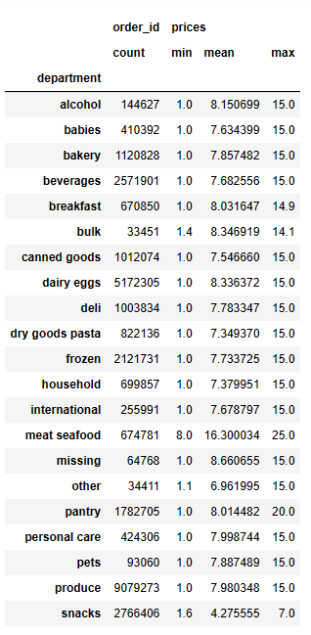
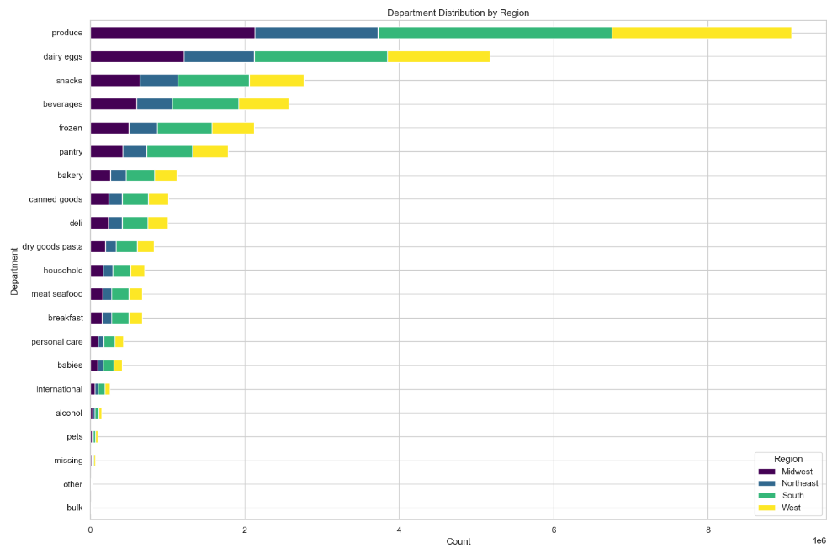
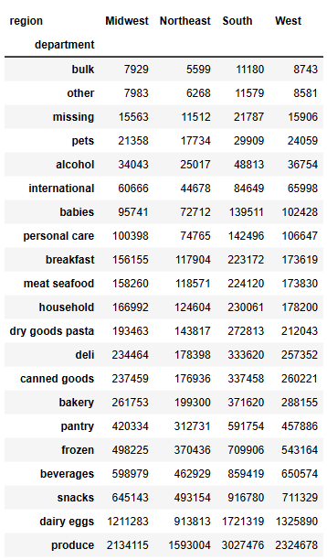
 | Title page

Visualisations

In this tab you should include all the visualtions from Exercises 4.9 and 4.10, alongside the questions from the project brief that they answer. Include any commentary on the relationship between different variables.

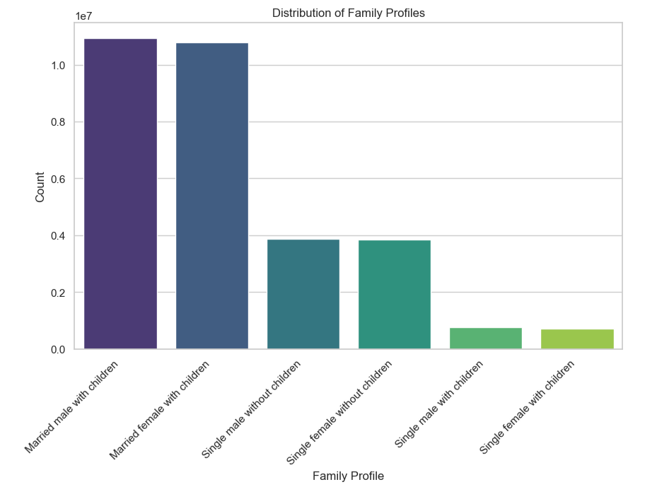
 |  | Married male and females with children have the most orders when it comes to family_profile. Single male and female with children have the least orders.

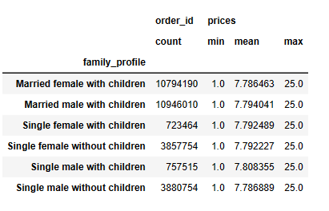

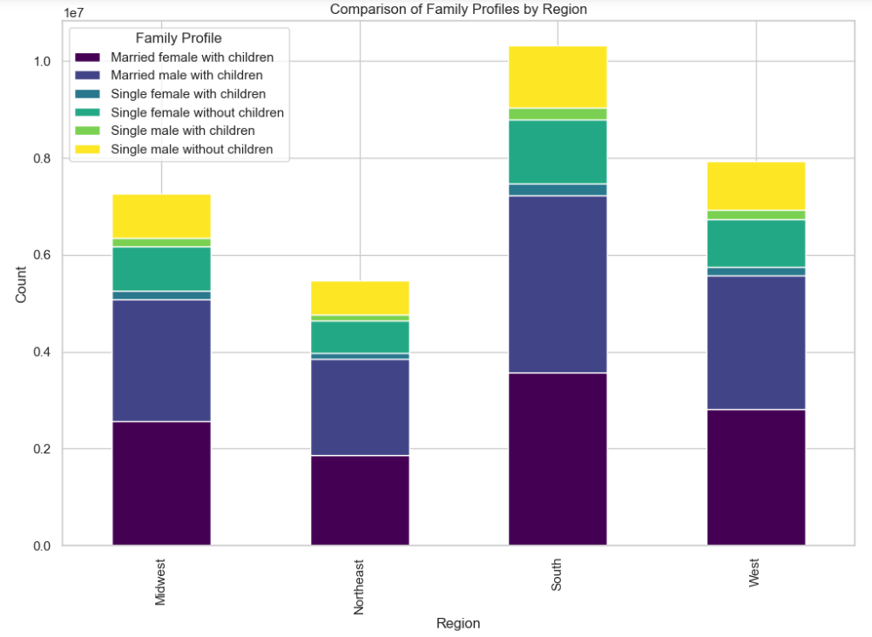

 |  |  | When comparing family_profile by region, the South has the most orders and the Northeast has the least orders.

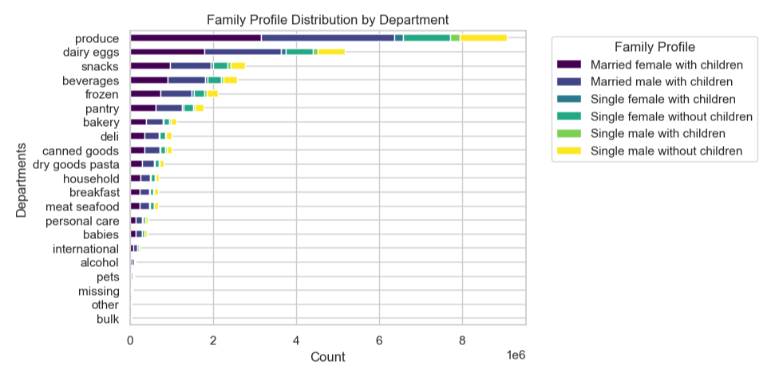

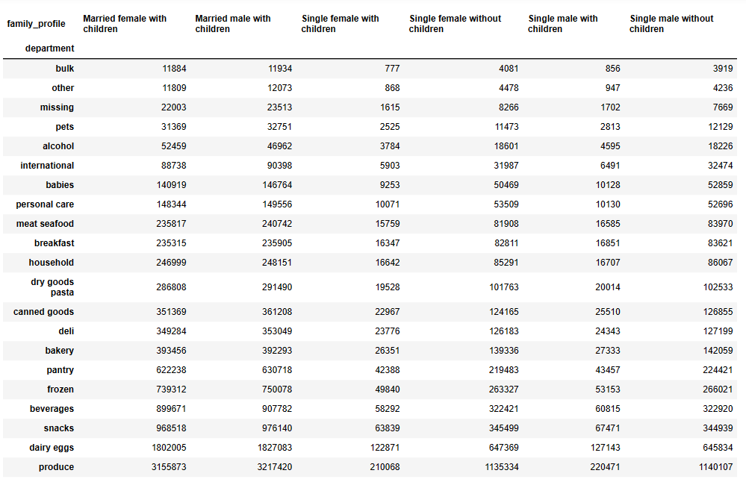

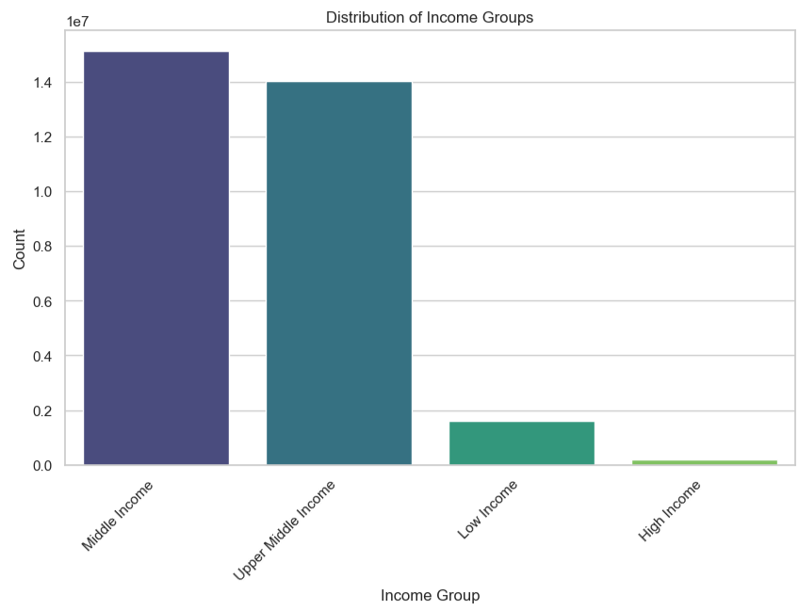

Middle income and Upper Middle Income customers are the vast majority of orders.

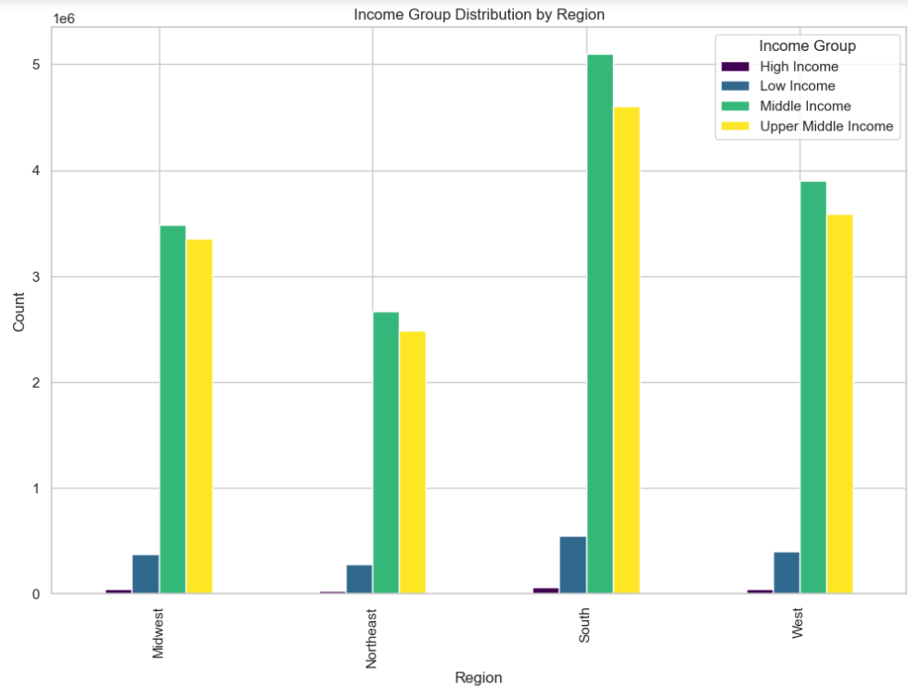
 |  | Middle income and Upper Middle Income customers are the vast majority of orders in every region. High income customers make up the smallest amount of orders.

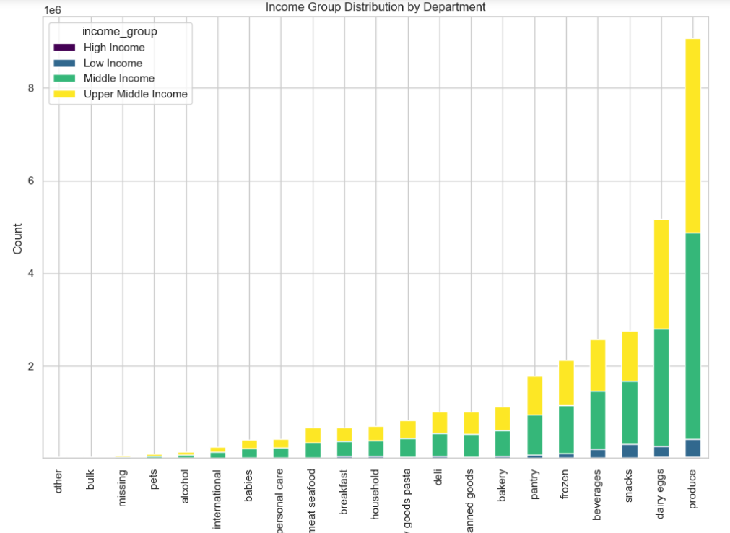
 |  | Upper middle income and middle income are the vast majority of customers in all departments.

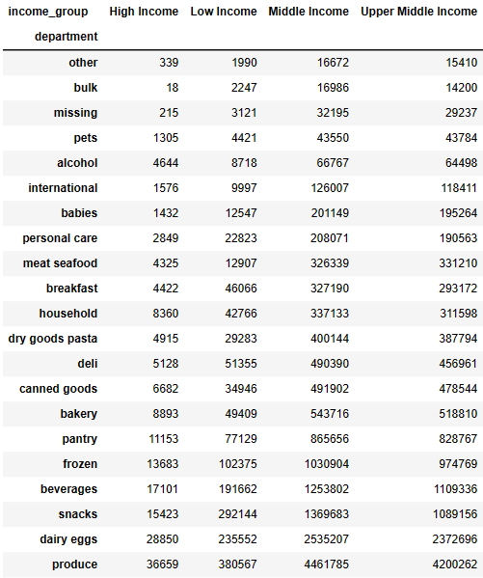

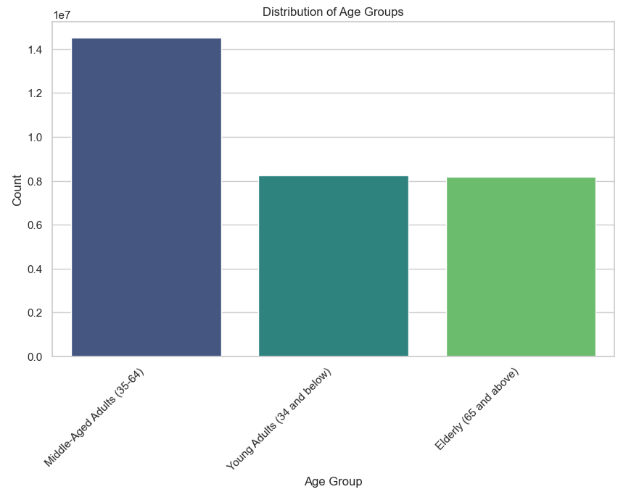
Middle-aged adults (35-64) are the largest demographic in terms of orders.

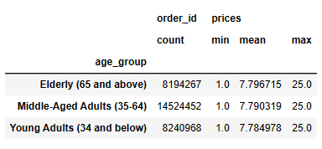

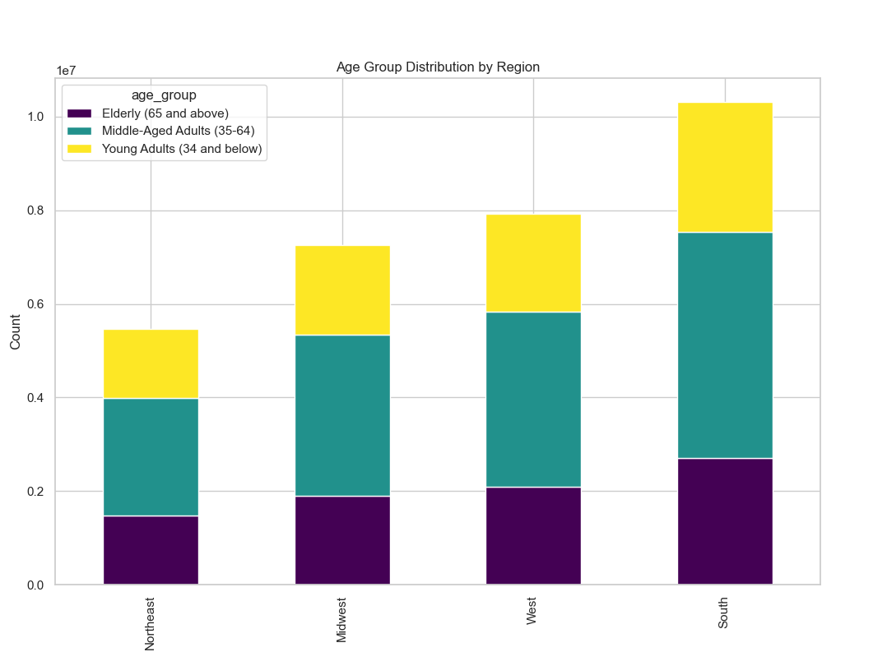

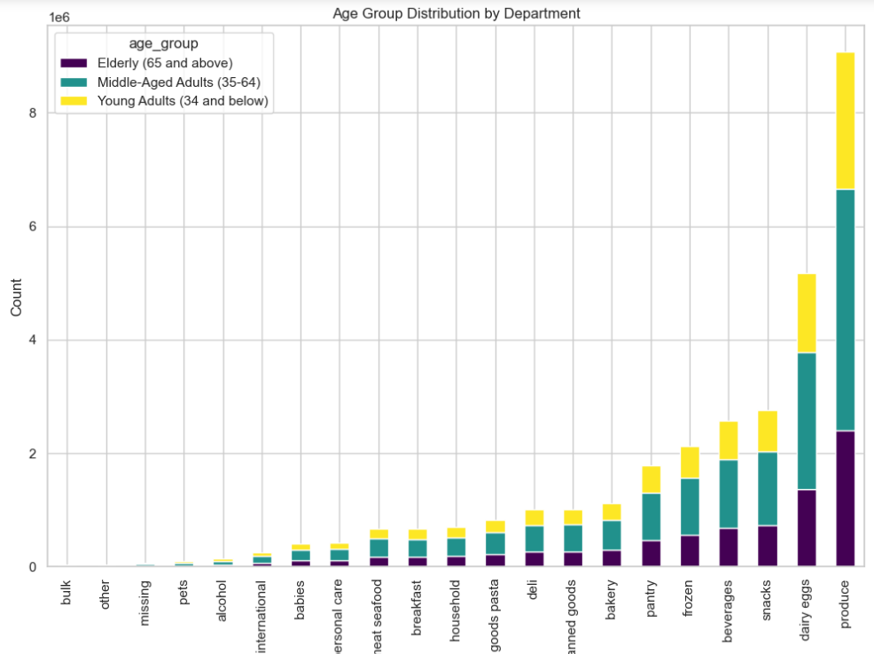

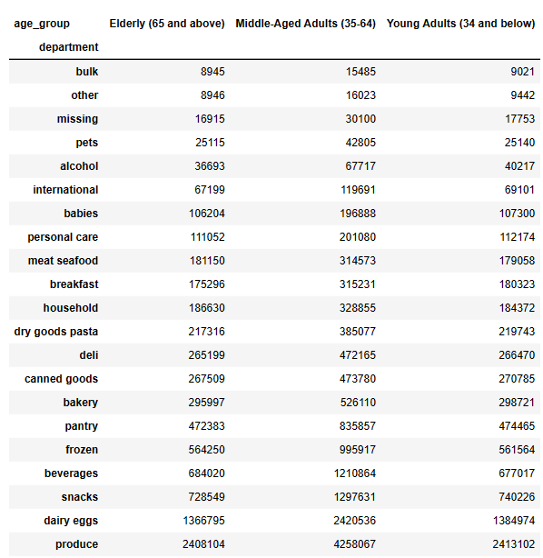

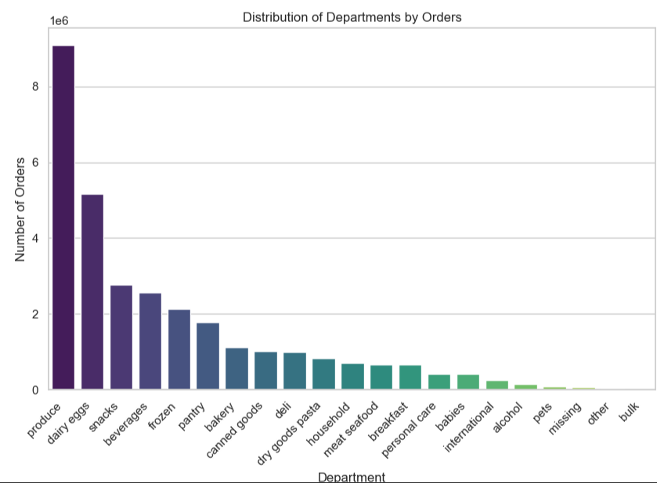

Produce and dairy are among the highest orders with other and bulk being among the lowest orders.

7. Recommendations
 |  |  | Title page

Recommendations

The sales team needs to know what the busiest days of the week and hours of the day are in order to schedule ads at times when there are fewer orders.
They also want to know whether there are particular times of the day when people spend the most money, as this might inform the type of products they advertise at these times.

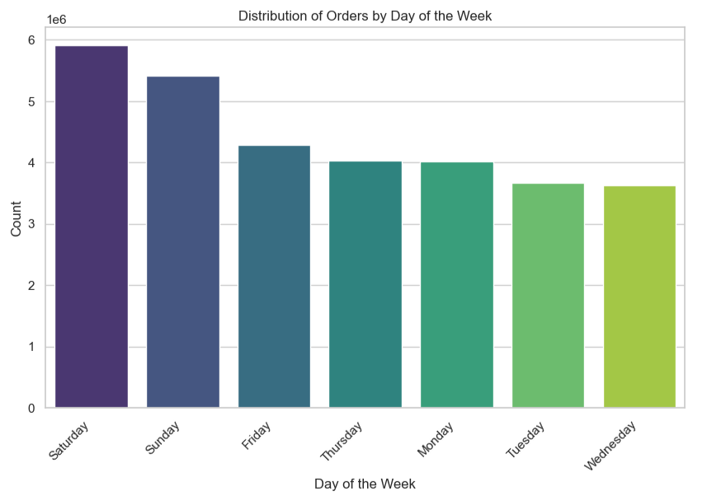
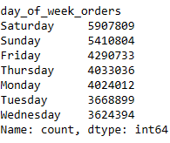

 |  | Given the order trends, Instacart should prioritize advertising efforts on Saturdays, Sundays, and Fridays, as these days consistently experience the highest order volumes. Additionally, focusing on peak order hours from 8 AM to 6 PM can help capture the attention of a larger customer base. Furthermore, since products in the Low, Mid, and High price ranges are most popular between 10 AM and 3 PM, Instacart may want to consider implementing targeted promotions or special offers during this time frame to capitalize on the heightened demand for products across price ranges. In summary, aligning advertising campaigns with the busiest days and peak order hours, while tailoring promotions to the preferred price range hours, can significantly enhance Instacart's visibility and engagement with its customer base.

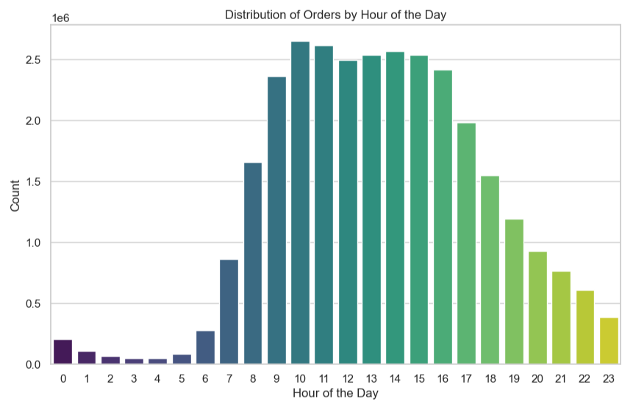

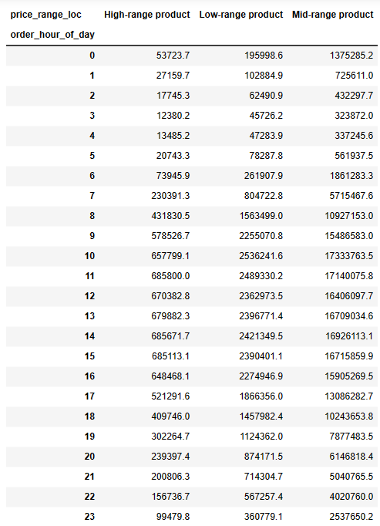

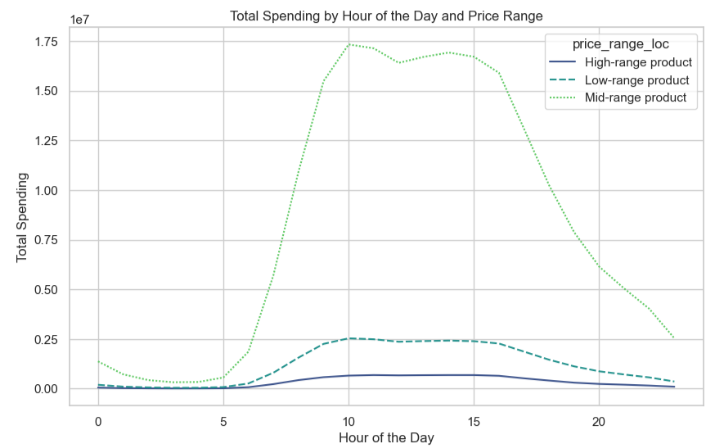

What’s the distribution among users in regards to their brand loyalty (i.e., how often do they return to Instacart)?

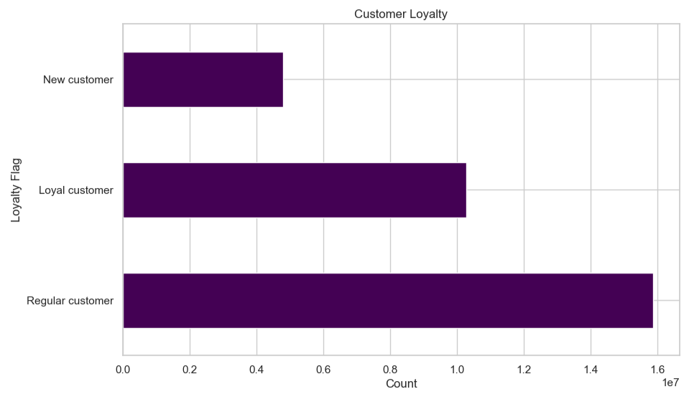

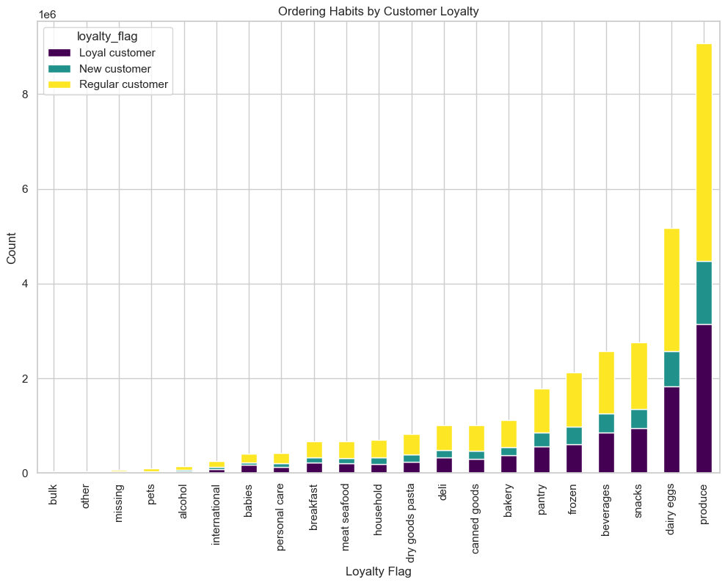
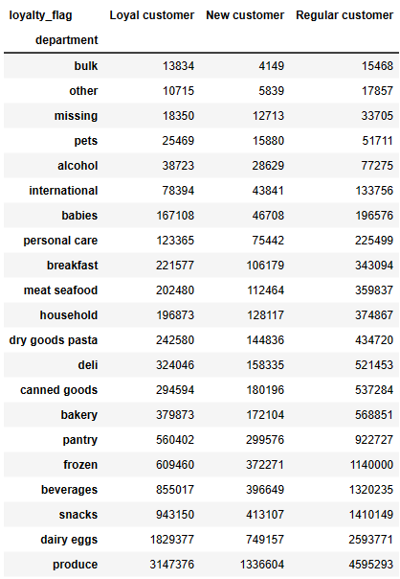

The user distribution underscores a prominent trend in brand loyalty. The largest segment comprises regular customers, followed by loyal customers, with new customers representing the smallest group. Acknowledging the importance of maintaining our loyal customer base, an effective marketing strategy could encompass customized promotions, exclusive incentives, or loyalty initiatives designed to recognize and engage both regular and loyal customers. By fortifying our relationships with these customer segments, we can cultivate enduring loyalty and elevate overall customer contentment.

Are there differences in ordering habits based on a customer’s region?
Are there certain types of products that are more popular than others? The marketing and sales teams want to know which departments have the highest frequency of product orders.
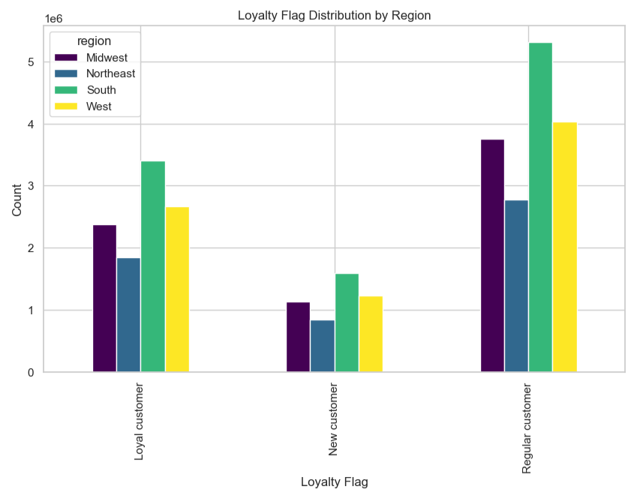

 |  | Based on the order distribution, it is evident that regular customers consistently account for the highest number of orders across all regions, while new customers consistently contribute the lowest number of orders. Furthermore, the South region outperforms others in both customer groups, while the Northeast region lags behind. To maximize advertising effectiveness, Instacart should consider focusing on strategies that nurture and retain regular customers, such as loyalty programs, personalized recommendations, and exclusive offers. Additionally, targeted campaigns aimed at converting new customers could be implemented, tailored to the specific preferences and needs of this segment. Given the South region's prominence, allocating additional resources and attention to this area may yield even more significant results. Conversely, in the Northeast region, efforts could be made to identify and address any unique challenges or preferences that may be contributing to lower order numbers.

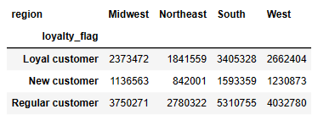

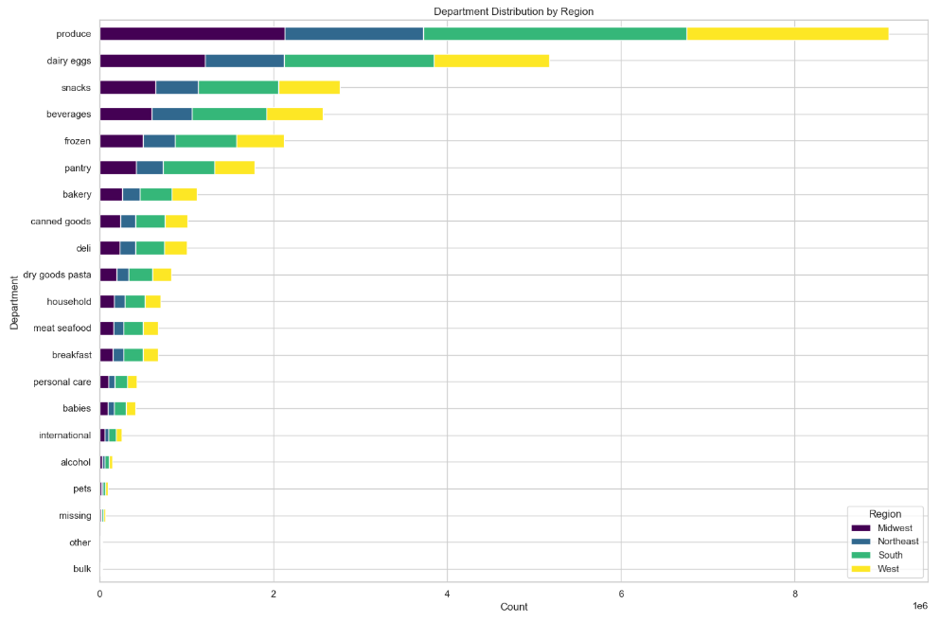
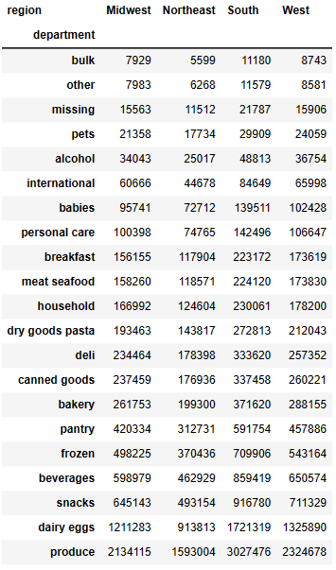

 | Given that produce, dairy, and snacks consistently emerge as the most popular departments across all regions, it is advisable for Instacart to focus its advertising efforts on highlighting and promoting products within these categories. This could involve special offers, featured products, and targeted promotions to further stimulate demand. Conversely, departments labeled as missing, other, and bulk appear to be less popular. Instacart might consider conducting market research or surveys to better understand why these departments are less frequented. It could also explore strategies to increase visibility and appeal for these categories, such as introducing new and enticing products, refining product descriptions, or offering special incentives to encourage customer exploration. Overall, a strategic approach to advertising that emphasizes the most popular departments while actively seeking to improve the appeal of less popular ones can help Instacart optimize its offerings and enhance customer satisfaction.

Instacart has a lot of products with different price tags. Marketing and sales want to use simpler price range groupings to help direct their efforts.

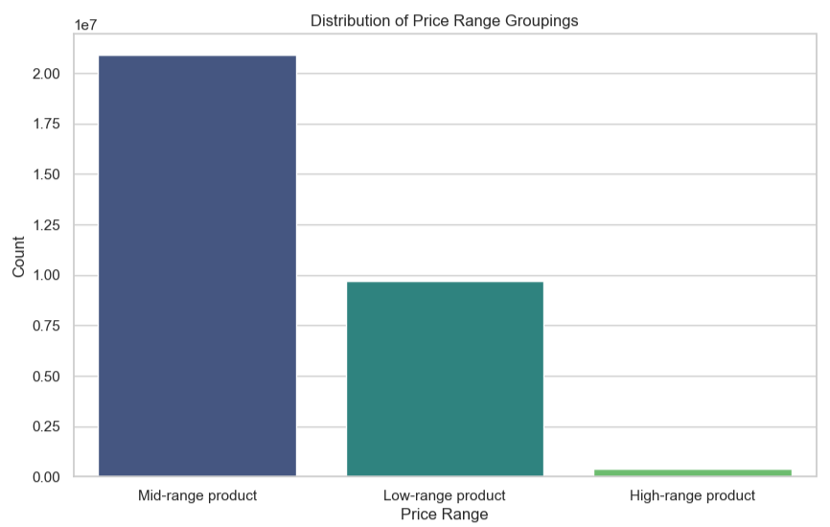

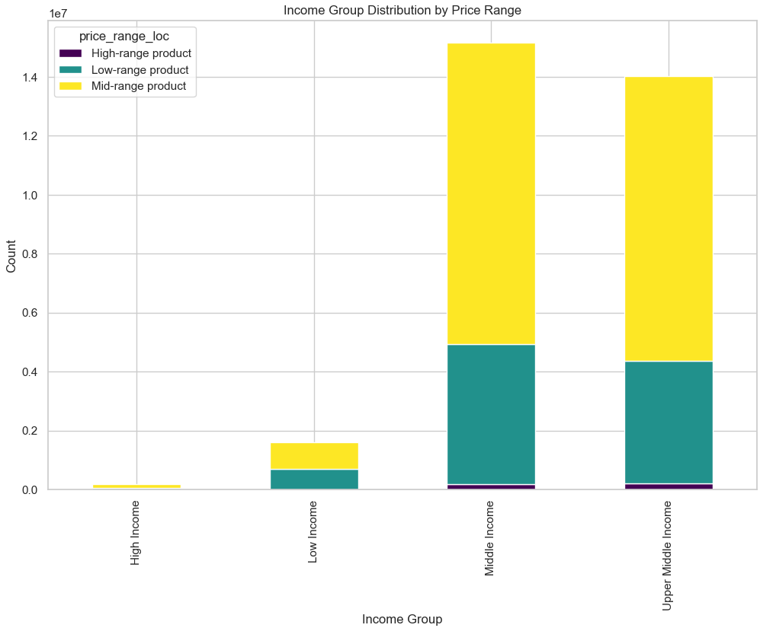

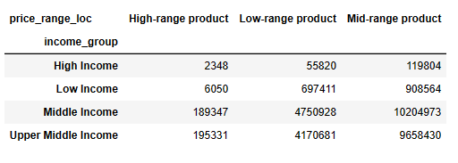

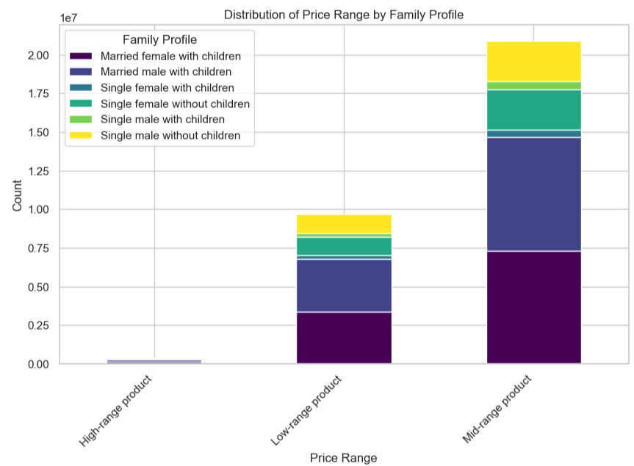

The predominant share of orders is attributed to mid-range products, followed closely by low-range items, while high-range products constitute only a small fraction of total orders. This pattern persists when considering different Income Groups and Family Profiles. Given the substantial demand for mid-range products, it is recommended that Instacart channel its advertising efforts towards maximizing this segment.

Is there a connection between age and family status in terms of ordering habits?

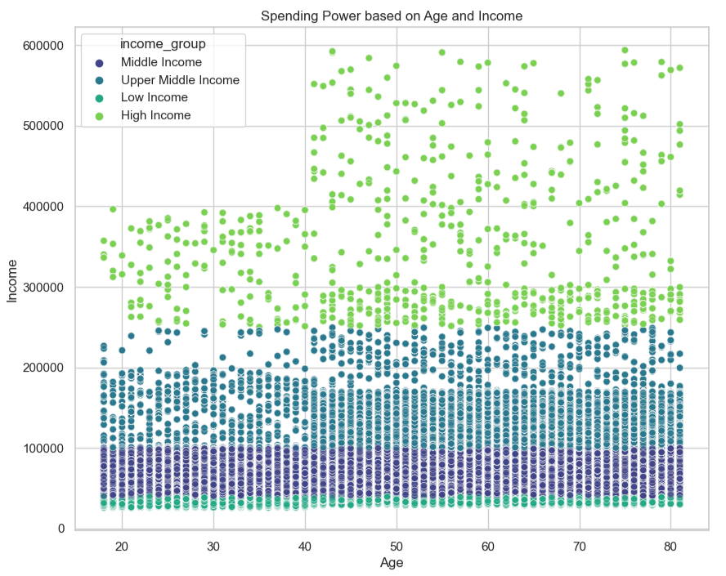
 |  | Given the positive correlation between spending power and age for customers over 40, Instacart should consider tailoring advertising strategies to specifically target this demographic. This may involve creating campaigns that highlight products and services that align with the preferences and purchasing habits of this age group. For instance, Instacart could promote premium or higher-end products that cater to customers with greater spending power. Additionally, messaging and imagery in the advertisements could be designed to resonate with the interests and values of older consumers. Furthermore, offering exclusive discounts, loyalty programs, or special promotions to this demographic may further incentivize their engagement with Instacart. By recognizing and capitalizing on the higher spending potential of customers over 40, Instacart can potentially increase its revenue and customer retention within this demographic segment.

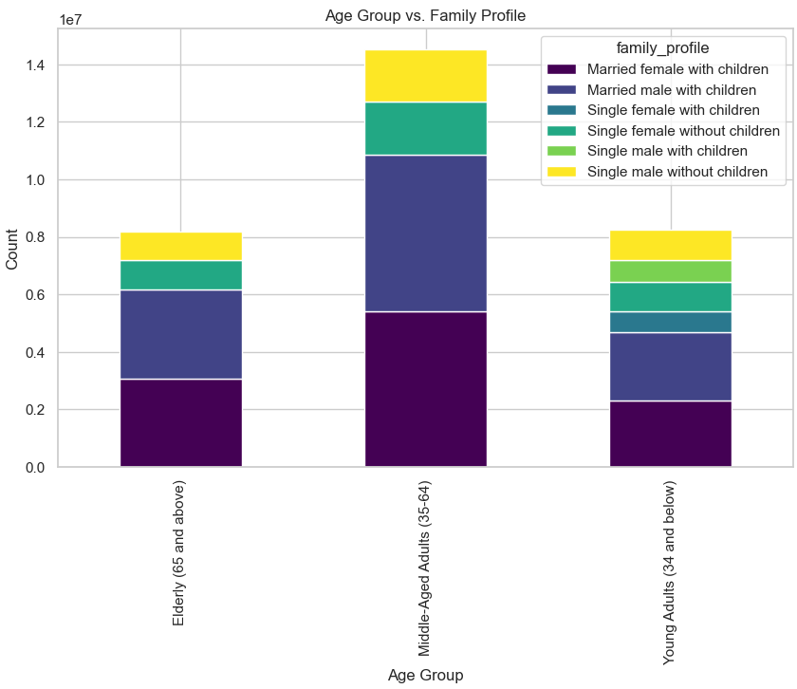

 |  | Middle-aged adults (ages 35-64) clearly dominate across all family profiles, comprising the largest customer segment. They represent the highest numbers in every category. Instacart should concentrate its advertising efforts on targeting middle-aged adults, as they constitute the majority of customers in all family profiles. Tailored marketing campaigns highlighting products and services that cater to this demographic's preferences and needs could prove highly effective. For example, emphasizing convenience, time-saving benefits, and a diverse range of family-friendly products is likely to resonate strongly with middle-aged adults. Moreover, exploring opportunities to provide special promotions or discounts specifically tailored to this demographic may further enhance their engagement with the platform. While it's essential to continue serving all customer segments, directing focus towards middle-aged adults is poised to yield the highest return on advertising investment, given their substantial representation in the data.

